Sheet1
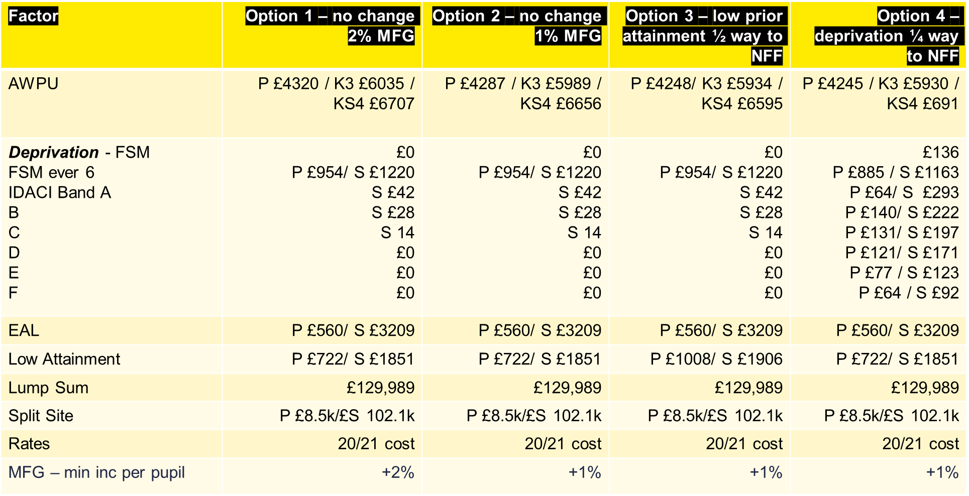
Factor | Option 1 - no change 1% MFG | Option 2 - no change 1% MFG | Option 3 - no change 1% MFG

